Cover Sheet
Truckmounts, Portable Extractors, Tools & Accessories,
& Chemical Solutions

Confidential Master Distributor Price List
 | Effective May 1, 2025

 | Distributor Discounts for 2025
 | Accessories and Tools | 25 or 35%
 | Parts | 30%
 | Slide-in Truckmounts - | 25%
 | CDS 4.8SV Truckmount | 30%
 | Chemicals | 50%
 | Portable Extractors | 35%

V1 - 3.27.25
Confidential - Do Not Distribute

Truckmounts
Truckmount
Distributor Price List
Effective May 1, 2025
Part No. | Truckmount Package Pricing | List Price | Distributor Price
 | TITAN SERIES™ SLIDE-IN TRUCKMOUNTS

750-012-751-10 | TITAN 325™ w/ 70gal Maxx-Air™ recovery tank | $20,795.00 | $15,596.25
750-011-751-10 | TITAN 325™ w/ 100 gal Maxx-Air™ recovery tank | $21,495.00 | $16,121.25
Includes | Console with Easy-Access Panels
 | 100 ft. - 2" Vacuum Hose
 | 100 ft. - 1/4" I.D. High Pressure Solution Hose with Quick Connections
 | 50 ft. - FreshWater Inlet Hose with Connector
 | 1.5" Evolution Wand with molded glide

 | Installation Kit
 | HydraMaster Chemical Starter Kit*
 | HydraMaster Fleece Jacket*

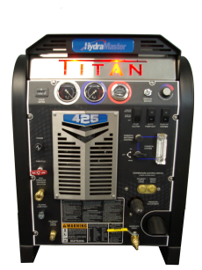
750-012-752-10 | TITAN 425™ w/ 70 gal Maxx-Air™ recovery tank | $25,995.00 | $19,496.25
750-011-752-10 | TITAN 425™ w/ 100 gal Maxx-Air™ recovery tank | $26,695.00 | $20,021.25
Includes | Console with Easy-Access Panels
 | 100 ft. - 2" Vacuum Hose
 | 100 ft. - 1/4" I.D. High Pressure Solution Hose with Quick Connections
 | 50 ft. - FreshWater Inlet Hose with Connector
 | 1.5" Evolution Wand with Molded Glide

 | Installation Kit

 | HydraMaster Fleece Jacket*

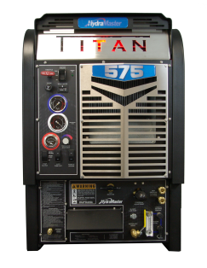
750-012-753-10 | TITAN 575™ w/ 70 gal Maxx-Air™ recovery tank | $36,295.00 | $27,221.25
750-011-753-10 | TITAN 575™ w/ 100 gal Maxx-Air™ recovery tank | $36,995.00 | $27,746.25
Includes | Console with Magnetic-Access Panels
 | 100 ft. - 2" Vacuum Hose
 | 100 ft. - 1/4" I.D. High Pressure Solution Hose with Quick Connections
 | 50 ft. - FreshWater Inlet Hose with Connector
 | 1.5" Evolution Wand with Molded Glide

 | Installation Kit

 | HydraMaster Fleece Jacket*

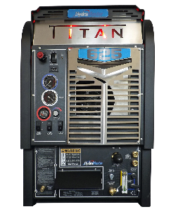
750-012-759-10 | TITAN 625™ w/ 70 gal Maxx-Air™ recovery tank | $32,295.00 | $24,221.25
750-011-759-10 | TITAN 625™ w/ 100 gal Maxx-Air™ recovery tank | $32,995.00 | $24,746.25
Includes | Console with Magnetic-Access Panels | .
 | 100 ft. - 2" Vacuum Hose
 | 100 ft. - 1/4" I.D. High Pressure Solution Hose with Quick Connections
 | 50 ft. - FreshWater Inlet Hose with Connector
 | 1.5" Evolution Wand with Molded Glide

 | Installation Kit

 | HydraMaster Fleece Jacket*

 | * These items are shipped directly to customer after warranty registration card and request card are received.
Standard Package price does not include freight, installation, fuel installation kit, battery or dealer preparation. |  |  | Universal Cleaning Concepts LLC
Prices subject to change without notice. |  |  | 1500 Industry Street, #300, Everett, WA USA 98203
All prices quoted FOB Factory, Everett, WA or Gardena, CA |  |  | Phone: 800.426.1301 • Fax: 425.771.7156
Confidential - Do Not Distribute |  |  | www.hydramaster.com

Truckmounts 2
Truckmount
Distributor Price List
Effective May 1, 2025

Part No. | Truckmount Package Pricing | List Price | Distributor Price
 | DIRECT DRIVE TRUCKMOUNT SYSTEMS

CDS™ 4.8 Overdrive Van-Powered System for Chevy and GMC Vans (2020 & Before)
751-011-701-10 | CDS™ 4.8 Chevy with Salsa Heat Booster | $32,995.00 | $23,096.50
000-079-220 | KIT AWDS UNIVERSAL | $2,521.00 | $1,638.65 | $1,598.61
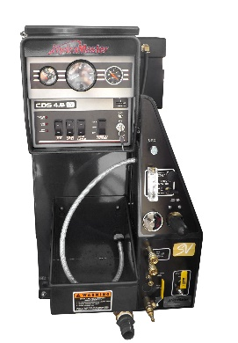
Includes | Console with 100 gallon Maxx-Air™ Recovery Tank
 | 100 gallon Maxx-Air™ Recovery Tank
 | 150 ft. - 2" Vacuum Hose
 | 150 ft. - 1/4" I.D. High Pressure Solution Hose with Quick Connections
 | 50 ft. - FreshWater Inlet Hose with Connector
 | 1.5" Evolution Wand with Molded Glide

 | Installation Kit

 | HydraMaster Fleece Jacket*
 | This pricing is for 2020 or Before Chevy or GMC Van -Inquire for other installations
CDS™ 4.8SV V-8 Van-Powered System for Chevy and GMC Vans - 2021+ - 6.6L, V-8 engine
751-011-744-10 | CDS™ 4.8SV Chevy with Salsa Heat Booster | $32,995.00 | $23,096.50
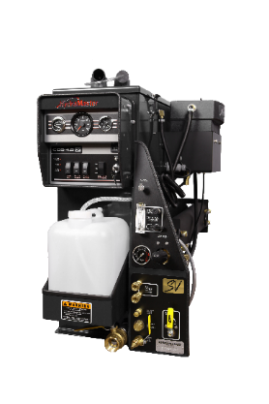
000-079-220 | KIT AWDS UNIVERSAL (Replaced APO) | $2,521.00 | $1,638.65
Includes | Console with 100 gallon Maxx-Air™ Recovery Tank
 | 100 gallon Maxx-Air™ Recovery Tank
 | 150 ft. - 2" Vacuum Hose
 | 150 ft. - 1/4" I.D. High Pressure Solution Hose with Quick Connections
 | 50 ft. - FreshWater Inlet Hose with Connector
 | 1.5" Evolution Wand with Molded Glide

 | Installation Kit

 | HydraMaster Fleece Jacket*
 | This pricing is for 2021+ Chevy or GMC Van
CDS™ 4.8SV V-6 Van-Powered System for Chevy and GMC Vans - 2021+ - 4.3L, V-6 engine
751-011-746-10 | CDS™ 4.8SV Chevy with Salsa Heat Booster | $32,995.00 | $23,096.50
000-079-220 | KIT AWDS UNIVERSAL (Replaced APO) | $2,521.00 | $1,638.65
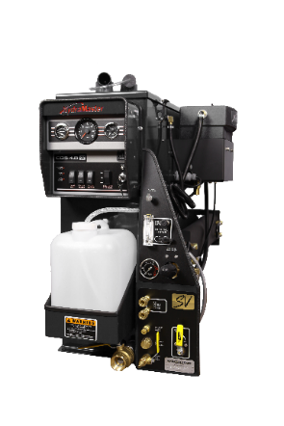
Includes | Console with 100 gallon Maxx-Air™ Recovery Tank
 | 100 gallon Maxx-Air™ Recovery Tank
 | 150 ft. - 2" Vacuum Hose
 | 150 ft. - 1/4" I.D. High Pressure Solution Hose with Quick Connections
 | 50 ft. - FreshWater Inlet Hose with Connector
 | 1.5" Evolution Wand with Molded Glide

 | Installation Kit

 | HydraMaster Fleece Jacket*
 | This pricing is for 2021+ Chevy or GMC Van
 | * These items are shipped directly to customer after warranty registration card and request card are received. Chemical kit for US companies only
* - Designates item that will be shipped direct from factory once warranty registration is completed online or completed by mail
 |  |  | Universal Cleaning Concepts LLC
Prices subject to change without notice. |  |  | 1500 Industry Street, #300, Everett, WA 98203
All prices quoted FOB Factory Everett, WA, or Gardena, CA |  |  | Phone: 800.426.1301 • Fax: 425.771.7156
Confidential - Do Not Distribute. |  |  | www.hydramaster.com
 | Page 3 of 20

Truckmounts 3
Truckmount
Distributor Price List
Effective May 1, 2025

Part No. | Truckmount Package Pricing | List Price | Distributor Price
 | High Pressure Slide-In Truckmount Systems

BOXXER SERIES High Pressure Slide-In Truckmount
750-010-738-10 | BOXXER 318HP High Pressure Slide-In Truckmount w/ 70 Gallon Recovery Tank | $22,295.00 | $16,721.25
750-010-740-10 | BOXXER 318HP High Pressure Slide-In Truckmount w/ 100 Gallon Recovery Tank | $22,995.00 | $17,246.25
 | Console
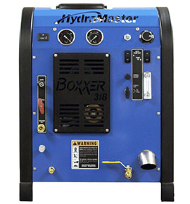
 | 100 ft. - 2" Vacuum Hose
 | 100 ft. - 1/4" I.D. Super High Pressure Solution Hose with Quick Connections
 | 50 ft. - FreshWater Inlet Hose with Connector
 | RX-15H Rotary Hard Surface Extraction Tool

 | Installation Kit

 | HydraMaster Fleece Jacket*

 | * These items are shipped directly to customer after warranty registration card and request card are received.

Standard Package price does not include freight, installation, fuel installation kit, battery or dealer preparation.
 |  |  | Universal Cleaning Concepts LLC
Prices subject to change without notice. |  |  | 1500 Industry Street, #300, Everett, WA USA 98203
All prices quoted FOB Factory Everett, WA or Gardena, CA |  |  | Phone: 800.426.1301 • Fax: 425.771.7156
Confidential - Do Not Distribute. |  |  | www.hydramaster.com

 | Page 4 of 20

Truckmounts 4
Truckmount
Distributor Price List
Effective May 1, 2025

Part No. | Truckmount Package Pricing | List Price | Distributor Price

 | DEDICATED WATER EXTRACTION TRUCKMOUNT

 | TITAN H20 Dedicated Water Extraction Truckmount
750-010-743-10 | Titan™ H2O w/ 100 gal Maxx-Air™ recovery tank | $24,495.00 | $18,371.25
Includes | Console with Easy-Access Panels
 | 100 ft. - 2" Vacuum Hose
 | Evolution Flood Extraction Wand
 | Operation Manual and Flash Drive
 | Installation Kit

 | HydraMaster Fleece Jacket*

 | MOBILE PLATFORM Truckmount

 | TMTG 4000 Truckmount to Go Platform
750-013-756-10 | TMTG 4000 Truckmount to Go Platform | $31,995.00 | $23,996.25
Includes | Console with Easy-Access Panels
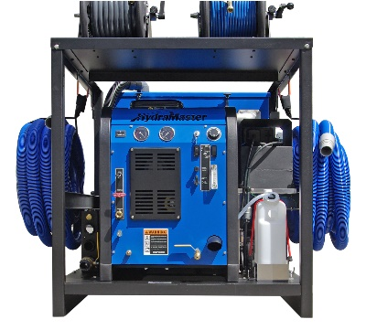
 | 100 ft. - 2" Vacuum Hose
 | 100 ft. - 1/4" I.D. High Pressure Solution Hose with Quick Connections
 | 50 ft. - FreshWater Inlet Hose with Connector
 | 1.5" Evolution Wand with Molded Glide
 | Operation Manual and Flash Drive
 | 70 Gallon Wastewater Recovery Tank
 | Automatic WasteWater Disposal System
 | Certified Fuel Tank

 | HydraMaster Fleece Jacket*

 | * These items are shipped directly to customer after warranty registration card and request card are received

* - Designates item that will be shipped direct from factory once warranty registration is completed online or completed by mail
 |  |  | Universal Cleaning Concepts LLC
Prices subject to change without notice. |  |  | 1500 Industry Street, #300, Everett, WA USA 982035
All prices quoted FOB Factory Everett, WA or Gardena, CA |  |  | Phone: 800.426.1301 • Fax: 425.771.7156
Confidential - Do Not Distribute. |  |  | www.hydramaster.com

 | Page 5 of 20

Hose Reels 1
Hose Reels
Distributor Price List
Effective May 1, 2025

 |  |  | Hose Reels

Type of Rewind R 12 36-150S Storage or Live
Drum Length Capacity
Rim Diameter

Note: These are direct delivery items. Additional freight charges may apply
Storage Hose Reels - Vacuum
 | Part No. | Model No. | Capacity | Width | Height | Depth | List Price | Distributor Price
 | 000-163-507 | SRV49-2005 | 200' | 16" | 49" | 45" | $634.62 | $412.50
 | 000-163-501 | R1836-200S | 200' | 25" | 38" | 36" | $739.39 | $480.60
 | 000-163-502 | R2336-300S | 300' | 30" | 38" | 36" | $737.97 | $479.68
* | 000-163-503 | R1244-200S | 200' | 19" | 46" | 44" | $748.33 | $486.42
* | 000-163-504 | R1544-250S | 250' | 22" | 46" | 44" | $774.05 | $503.13
* | 000-163-505 | R1844-300S | 300' | 25" | 46" | 44" | $801.57 | $521.02

Storage Hose Reels - Electric Rewind
 | Part No. | Model No. | Capacity | Width | Height | Depth | List Price | Distributor Price
 | 000-163-512 | E2336-300-S | 300' | 34" | 38" | 36" | $2,469.01 | $1,604.85
* | 000-163-513 | E1244-200S | 200' | 23" | 46" | 44" | $2,516.09 | $1,635.46
* | 000-163-514 | E1544-250S | 250' | 26" | 46" | 44" | $2,676.59 | $1,739.78
* | 000-163-515 | E1844-300S | 300' | 29" | 46" | 44" | $2,688.39 | $1,747.45

 |  |  |  |  |  |  |  |  | 0

*These reels will not fit on a fresh water tank.
Electric Reels come with 12V Motor with two wires (hot & ground) that need to be connected to a car battery.

 |  |  |  |  |  |  |  | Universal Cleaning Concepts LLC
Prices subject to change without notice. |  |  |  |  |  |  |  | 1500 Industry Street, #300, Everett, WA USA 98203
All prices quoted FOB Factory, Everett, WA and Gardena, CA |  |  |  |  |  |  |  | Phone: 800.426.1301 • Fax: 425.771.7156
Confidential - Do Not Distribute |  |  |  |  |  |  |  | www.hydramaster.com
 |  | Page 11 of 20

Hose Reels 2
Hose Reels
Distributor Price List
Effective May 1, 2025
 |  |  | Hose Reels

Type of Rewind R 12 36-150S Storage or Live
Drum Length Capacity
Rim Diameter

Note: These are direct delivery items. Additional freight charges may apply
Triple Storage Hose Reels for Vacuum, Solution and Garden Hoses - Electric or Manual
 | Part No. | Model No. | Capacity | Width | Height | Depth | List Price | Distributor Price
 | 000-163-540 | R1836-518S | 200' | 25" | 38" | 52" | $2,032.29 | $1,320.99
 | 000-163-541 | E1836-518S | 200' | 29" | 38" | 52" | $3,628.06 | $2,358.24
 | 000-163-542 | R2336-518S | 300' | 30" | 38" | 52" | $2,068.17 | $1,344.31
 | 000-163-543 | E2336-518S | 300' | 30" | 38" | 52" | $3,238.80 | $2,105.22
 | 000-163-544 | E3036-518S | 350' | 32" | 38" | 52" | $3,438.88 | $2,235.27

Triple Live Reels for Vacuum, Solution and Garden Hoses - Electric or Manual
 | Part No. | Model No. | Capacity | Width | Height | Depth | List Price | Distributor Price

 | 000-163-551 | E1836-518L | 200' | 29" | 38" | 52" | $4,200.00 | $2,730.00
 | 000-163-552 | R2336-518L | 300' | 30" | 38" | 52" | $2,524.73 | $1,641.08
 | 000-163-553 | E2336-518L | 300' | 30" | 38" | 52" | $3,900.90 | $2,535.58

Storage Reels for Solution or Garden Hoses
 | Part No. | Model No. |  | Capacity | Diameter | Width | List Price | Distributor Price
 | 000-163-560 | 605-18S | Storage | 300' x ¼" | 18" | 5" | $220.66 | $143.43
 | 000-163-561 | 605-18L-02 | Live - ¼" | 300' x ¼" | 18" | 5" | $372.27 | $241.98
 | 000-163-565 | 605-22S | Storage | 450' x ¼" | 22" | 5" | $319.00 | $207.35

Hose Reel Accessories
 | Part No. | Model No. | Description |  |  |  | List Price | Distributor Price
 | 000-163-581 | 82-28 | Stacking Bracket for 2 Reels |  |  |  | $106.85 | $69.45
 | 000-163-582 | 82-29 | Front Stand for 2 Solution Reels |  |  |  | $333.72 | $216.92
 | 000-163-583 | 172A | 2" Vacuum Swivel Joint |  |  |  | $311.31 | $202.35
 | 000-163-584 |  | 12 Volt Electric Motor Rewind Kit |  |  |  | $1,392.44 | $905.09
 | 000-163-585 | 23-12S | 12 Volt Motor |  |  |  | 730.97 | 475.13
 | 000-163-586 | 28-1 | Switch |  |  |  | $70.46 | $45.80
 | 000-163-587 | 28-2 | Solenoid |  |  |  | $131.03 | $85.17
 | 000-163-588 | 23-11-40 | Circuit Breaker |  |  |  | $80.24 | $52.16
 | 000-163-590 |  | Wall Mount Bracket |  |  |  | $79.86 | $51.91

 |  |  |  |  |  |  |  | Universal Cleaning Concepts LLC
Prices subject to change without notice. |  |  |  |  |  |  |  | 1500 Industry Street, #300, Everett, WA USA 98203
All prices quoted FOB Factory, Everett, WA or Gardena, CA |  |  |  |  |  |  |  | Phone: 800.426.1301 • Fax: 425.771.7156
Confidential - Do Not Distribute |  |  |  |  |  |  |  | www.hydramaster.com
 |  |  | Page 12 of 20

Chemicals 6
 | Carpet, Fabric Care, and Hard Surface Cleaning Solutions
 | Chemical Distributor Price List
 |  | Effective May 1, 2025

Product | Part No. | Package | List Price Per Piece | List Price | Distributor Price Per Piece | Distributor Price
TILE, STONE & CONCRETE CLEANING AND SEALING SOLUTIONS

QCT with OxyBreak | 950-155-S | Gallon | N.A | N.A | N.A | N.A
Peroxide Activated Quarry & Ceramic Tile | 950-155-B | 4 x 1 gallon case | $31.06 | $124.23 | $15.53 | $62.12
and Concrete Cleaner and Brightener

Hydra-Solv | 950-165-S | Gallon | N.A | N.A | N.A | N.A
High Powered Tile and Grout Cleaner and Degreaser | 950-165-B | 4 x 1 gallon case | $27.96 | $111.84 | $13.98 | $55.92

HydraStone - | 950-777-S | Gallon | N.A | N.A | N.A | N.A
Alkaline Heavy Duty Stone and Tile Cleaning Solution | 950-777-B | 4 x 1 gallon case | 32.38 | 129.51 | 16.19 | 64.76

HydraBoost CT Powder | 950-782-S | 6.5# jar | N.A | N.A | N.A | N.A
Powder High Powered Concrete and Tile Cleaner | 950-782-B | 4 x 6.5# jar case | $52.45 | $209.80 | $26.23 | $104.90
and Degreaser/ Booster Additive

HydraSeal Premium Sealer | 950-787-S | Gallon | N.A | N.A | N.A | N.A
Premium Stone, Concrete, and Grout | 950-787-B | 4 x 1 gallon case | 107.53 | 430.11 | 53.76 | 215.06
Water Based Sealer

HydraVitalize | 950-792-S | Gallon | N.A | N.A | N.A | N.A
Acid Stone, Tile, and Grout Revitalizing and | 950-792-B | 4 x 1 gallon case | 36.21 | 144.84 | 18.11 | 72.42
Renewing Cleaning Solution

GRUNGESLAYER | 950-156-S | 6.5# jar | N.A. | N.A. | N.A. | N.A.
...
HydraFRESH LVC LVP and Laminate Cleaner | 950-142-A | 12 x 1 quart case | $12.95 | $160.06 | $6.48 | $77.70
 | 950-142-B | 4 x 1 gallon case | $30.59 | $122.36 | $15.30 | $61.18

Terms of HydraMaster Satisfaction Guarantee: If for any reason, you are not thrilled with the performance of any HydraMaster solution, return it to your distributor and we will get you a product that does.

All powder solutions are available for special order in 300 or 400# fiber drums. Contact your local HydraMaster Distributor for availability and pricing
All liquid solutions are available for special order in 55 gallon drums. Contact your local HydraMaster Distributor for availability and pricing

 |  |  |  |  | Universal Cleaning Concepts LLC
Prices subject to change without notice. |  |  |  |  | 1500 Industry Street #300, Everett, WA USA 982035
All prices quoted FOB Factory, Everett, WA |  |  |  |  | Phone: 800.426.1301 • Fax: 425.771.7156
Confidential - Do Not Distribute |  |  |  |  | www.hydramaster.com

